Instructions
Self-Assessment Tool for implementing the 2020 Standards for Health Promoting Hospitals and Health Services
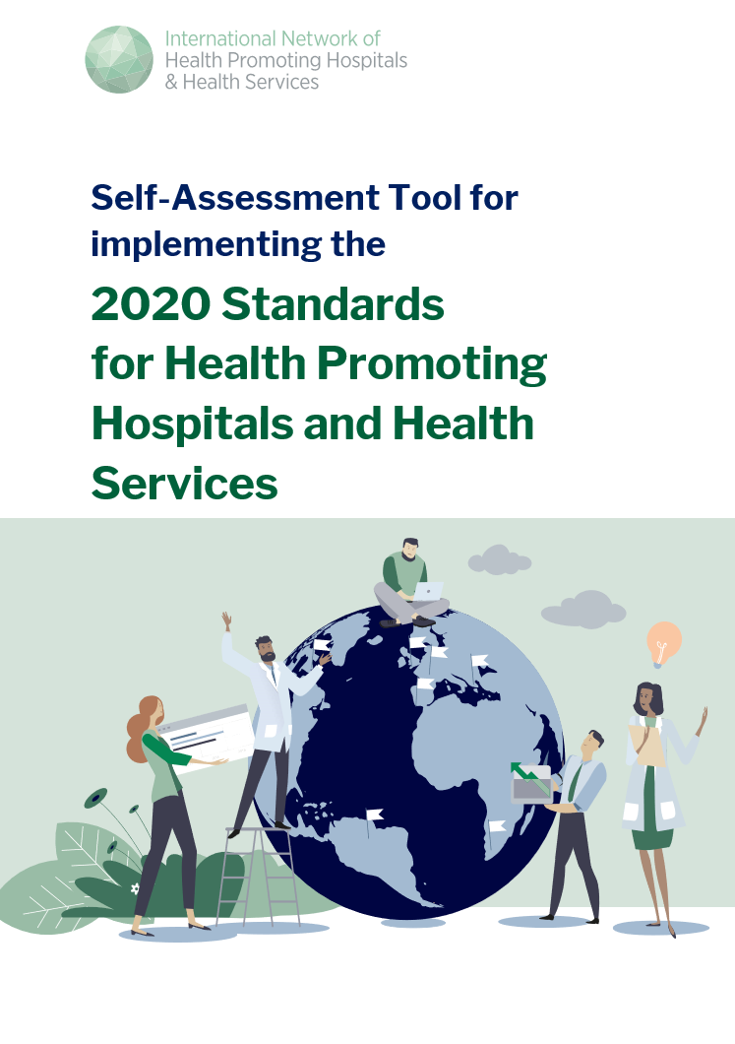
This document presents self-assessment forms which operationalize the 2020 Standards for Health Promoting Hospitals and Health Serivces and provide concrete measurable elements against which performance can be measured. This tool should be used by healthcare organizations to assess their level of performance in relation to established standards and to implement measures for continuous improvement. This process enables management to identify areas of good practice and those where there is a need for improvement.
How to use this tool
Standards 1 - 5 and their respective substandards can be found on their own tabs. For each standard statement, measurable element(s) are listed, which one can use to measure its level of implemention. The level of implementation should be recorded using the sliding scale under each standard statement and can be rated on a scale from "not implemented = 1" to "fully implemented = 10." Please check "does not apply" for all statements that are not relevant in your institution.
Results
The results of the self- assessment are presented both in a complete overview of results ("overview" tab) and in radar charts for each standard and each substandard. You may navigate to specific radar charts diagrams directly from the "visuals" tab. Please note, it may take a few minutes for radar charts to update.

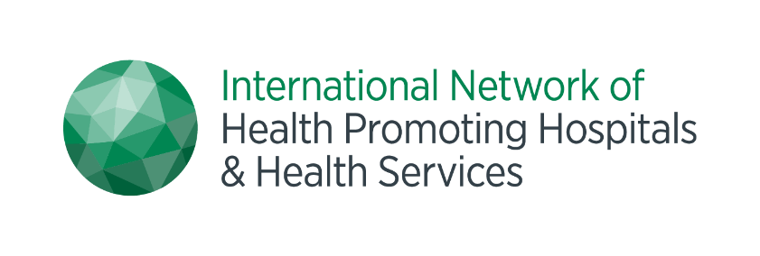
Version 1.0

s1_1
Substandard 1.1: Leadership
Statement | value | back to visuals | >
1.1.1. Our organization implements the HPH vision as part of its overall organizational strategy. | 1
1.1.2. The actions of our organization's leadership team mirror the aims of the HPH vision | 3
1.1.3. Our organization fosters a culture of health orientation and improvement. | 9
1.1.4. Our organization has appointed a leader to implement the HPH vision and task leaders for the standards’ subdomains, who produces an annual progress report for the board. | 2
1.1.6. Our staff induction training programs include the HPH vision. | 7
1.1.7. Our performance appraisal and continuing development practices address the HPH vision. | 2

s1_2
Substandard 1.2: Policy
Statement | value | < | back to visuals | >
1.2.1. Our organization's stated aims and mission are aligned with the HPH vision. | 1
1.2.2. Our aims and mission are clearly communicated to all stakeholders. | 1
1.2.3. Our organization ensures the availability of the necessary infrastructure, including resources, space, and equipment, to implement the HPH vision. | 1

s1_3
Substandard 1.3: Monitoring, implementation, and evaluation
Statement | value | < | back to visuals | >
1.3.1. Our organization systematically monitors health needs and determinants of health in the population as a basis for planning and evaluating services. | 1
1.3.2. Our organization's information systems integrate measurements required to assess the implementation of the HPH vision. | 1
1.3.3. Our procedures and interventions for the improvement of health outcomes are periodically evaluated. | 1

s2_1
Substandard 2.1: Entitlement and availability
Statement | value | < | back to visuals | >
2.1.1. Our organization has a procedure to assess and to provide support for people where ineligibility or lack of resources (insurance or economic) compromises human rights. | 1
2.1.2. Our organization informs all patients about their rights and our health promotion policies. | 1
 | 1

s2_2
Substandard 2.2: Information and access
Statement | value | < | back to visuals | >
2.2.1. Our organization’s contact information, location, and arrival information are easily found via internet search engines. | 1
2.2.2. The organization’s website is easy-to-use, also for people with low (digital) health literacy and is available in various languages based on the composition of the local population. | 1
2.2.3. Our organization develops written material and navigational signs considering health literacy, language, and cognitive capabilities of patient groups. | 1
2.2.4. Our organization provides outreach communication to marginalized or disadvantaged groups. | 1
2.2.5. Our organization can easily be accessed and navigated by patients and visitors independent of impairments or disabilities. | 1

s2_3
Substandard 2.3: Socio-cultural acceptability
Statement | value | < | back to visuals | >
2.3.1. Our organization demonstrates awareness of and respect for the values, needs and preferences of different groups within the community. | 1
2.3.2. Our organization implements special measures to ensure that the rights of all patients are respected. | 1
2.3.3. Our organization makes every effort to adapt its procedures to the special needs of vulnerable persons. | 1
2.3.4. The navigation system of our organization is tested by patients and is improved following the outcomes. Digital services and new media are pre-tested with representatives of target groups and patients before distribution. | 1

s3_1
Substandard 3.1: Responsiveness to care needs
Statement | value | < | back to visuals | >
3.1.1. Our organization partners with patients, their families, and caregivers to develop procedures to assess patients’ health needs. | 1
3.1.2. Our organization has a standardized approach to assessing and documenting the need for interventions concerning behavioral risk factors (such as tobacco, alcohol, diet/nutrition, and physical inactivity). | 1
3.1.3. Our organization employs guidelines to detect mental health risks among somatic patients and to identify somatic health risks among patients with mental illness or disease. | 1
3.1.4. Our organization ensures that children's health needs are assessed with the active contribution of children, parents, relatives and caregivers, peers, and associated care providers. | 1
3.1.5. Our organization has developed procedures to identify vulnerable patients in order to determine needs and reduce inequalities in our health services. | 1

s3_2
Substandard 3.2: Responsive care practice
Statement | value | < | back to visuals | >
3.2.1. The organization creates an environment where patients and families feel safe and their dignity and identity are respected. | 1
3.2.2. In our organization, patient consultations take place in private rooms/spaces and with appropriate time that supports effective communication. | 1
3.2.3. In our organization, patients’ privacy is respected at all times and long-stay patients have the right to find places to relax. Where appropriate, the possibility for partners or next of kin to stay is assured. | 1
3.2.4. Our organization invites and enables patients and families to become active partners as co-producers in healthcare and in shared decision-making processes along the care pathway. | 1
3.2.5. Our organization offers all patients the right to individualized, culturally and age-appropriate prevention, promotion, treatment, rehabilitation, and palliative care. | 1
3.2.6. Our organization has guidelines on high-risk screening for seniors and incorporates health promotion, rehabilitation and risk management into its departments’ clinical practice guidelines or pathways, as appropriate. | 1
3.2.7. Our organization implements, where applicable, the WHO/UNICEF Baby-Friendly Hospital Initiative recommendations. | 1
3.2.8. Our organization implements the standards of the Global Network for Tobacco Free Healthcare Services. | 1

s3_3
Substandard 3.3: Patient and provider communication
Statement | value | < | back to visuals | >
3.3.1. Our organization implements patient-centered communication and shared decision-making to support an active role of patients and families in their care. | 1
3.3.2. Our organization trains staff in techniques that improve communication and patient-centeredness. This applies to both written and oral communication through methods such as plain language or teach-back techniques. | 1
3.3.3. Our organization expects staff to communicate respectfully [and trains patients to ask questions]. | 1
3.3.4. Our organization provides access to translators to facilitate patient-provider communication, where needed. | 1
3.3.5. In our organization all patients can ask questions freely. | 1

s3_4
Substandard 3.4: Supporting patient behavioral change and patient empowerment
Statement | value | < | back to visuals | >
3.4.1. Our organization provides patients with clear, understandable, and appropriate information about their current condition, treatment, care, and factors influencing their health. | 1
3.4.2. Based on individualized patient needs assessments, our organization offers short or intensive counseling services concerning major risk factors, such as tobacco, alcohol, diet/nutrition, and physical inactivity. | 1
3.4.3. Our organization provides patients with (electronic, where appropriate) access to their patient record. | 1
3.4.4. Our organization provides easy access to and facilitates the use of patient decision aids, where appropriate. | 1
3.4.5. Our organization implements interventions to support self-management that help patients manage their condition, in preparation of discharge or long-term follow up. | 1

s3_5
Substandard 3.5: Involving patients, families, caregivers, and the community
Statement | value | < | back to visuals | >
3.5.1. Our organization supports user participation in the planning, delivery, and evaluation of its services. | 1
3.5.2. Our organization identifies users at risk of being excluded from participatory processes and promotes the participation of those at risk of exclusion and discrimination. | 1
3.5.3. In our organization, all documents and services relevant for patients are developed and tested together with patient advocates and representatives of patient groups. | 1
3.5.4. Our organization encourages volunteers, including students, community seniors, patients, and their families to participate and contribute to its activities. | 1

s3_6
Substandard 3.6: Collaborating with care providers
Statement | value | < | back to visuals | >
3.6.1. Our organization collaborates with other care providers to maximize health gain. | 1
3.6.2. Our organization has an approved procedure for exchanging relevant patient information with other organizations. | 1
3.6.3. The receiving organization is given, in timely manner, a written summary of the patient’s condition, health needs, and interventions provided by the referring organization. | 1

s4_1
Substandard 4.1: Staff health needs, involvement, and health promotion
Statement | value | < | back to visuals | >
4.1.1. Our organization offers regular assessments of staff health needs and offers health promotion concerning tobacco, alcohol, diet/nutrition, physical inactivity, and psychosocial stress. | 1
4.1.2. During exceptionally demanding periods, these health needs assessments are adapted in order to identify possible support needs in a timely manner. | 1
4.1.3. Our organization develops and maintains staff awareness of health issues. | 1
4.1.4. Our organization ensures the involvement of staff in decisions impacting clinical work processes and their working environment. | 1
4.1.5. Our organization develops working practices involving multidisciplinary teams, where appropriate. | 1
4.1.6. Our organization establishes a health promoting workplace, addressing the psychosocial work environment. | 1

s4_2
Substandard 4.2: Healthy setting
Statement | value | < | back to visuals | >
4.2.1. Our organization creates an environment where patients, families and staff feel safe, with their dignity and identity respected. | 1
4.2.2. Our organization applies the common principles of Universal Design to its physical environment whenever practical, affordable, and possible. | 1
4.2.3. Our organization, including waiting areas, are clean and comfortable. | 1
4.2.4. Our organization is equipped with good lighting, non-slip floor surfaces, stable furniture, and clear walkways. | 1
4.2.5. Our organization provides spaces and initiatives for patients, staff, and visitors to relax, exercise, and socialize. | 1
4.2.6. Our organization provides healthy nutrition and prohibits unhealthy options from the premises and its immediate surrounding. | 1
4.2.7. Our organization ensures that the health care environment is smoke and alcohol free and is able to minimize unnecessary noise. | 1

s5_1
Substandard 5.1: Health needs of the population
Statement | value | < | back to visuals | >
5.1.1. Our organization collects data on service utilization patterns in the catchment area, as one data source to improve access and equity. | 1
5.1.2. Our organization collaborates with public health organizations to collect information on health status, health care needs and determinants of health in the catchment area. | 1
5.1.3. Our organization collaborates with public health organizations to collect information on disease prevention and health promotion needs in the catchment area. | 1
5.1.4. Based on the health needs assessment, our organization has identified actions, and collaborators to improve population health in the catchment area. | 1

s5_2
Substandard 5.2: Addressing community health
Statement | value | < | back to visuals | >
5.2.1. Our organization develops outreach interventions such as health dialogues for defined age groups, for primary prevention. | 1
5.2.2. Our organization works together with community organizations to support knowledge transfer on determinants of health and service utilization, takes initiative, and actively participates in collaborative interventions. | 1
5.2.3. Our organization assumes responsibility to deliver innovative services to disadvantaged populations in the community, including home visits and through local community-based care centers. | 1

s5_3
Substandard 5.3: Environmental health
Statement | value | < | back to visuals | >
5.3.1. Our organization improves the health of patients, staff, community, and the environment by advancing the use of safe chemicals, materials, and processes. | 1
5.3.2. Our organization reduces the volume and toxicity of waste produced by the health sector and implements the most environmentally sound waste management and disposal options. | 1
5.3.3. Our organization reduces the use of fossil energy and fosters energy efficiency as well as alternative, renewable energy. | 1
5.3.4. Our organization implements conservation, recycling, and treatment measures to reduce hospital/health service water consumption and wastewater pollution. | 1
5.3.5. Our organization develops transportation and service delivery strategies that reduce the hospital/ health services' climate footprint and its contribution to local pollution. | 1
5.3.6. Our organization reduces its environmental footprint by fostering healthy eating habits and accessing locally and sustainably sourced food in the community. | 1
5.3.7. Our organization incorporates green building principles and practices into the design, construction, and renovation of its facilities. | 1

s5_4
Substandard 5.4: Sharing information, research, and capacity
Statement | value | < | back to visuals
5.4.1. Our organization promotes research on health promotion and disease prevention interventions and health care innovations targeting the vulnerable, to improve accessibility and quality of care. | 1
5.4.2. Our organization actively contributes to learning and sharing activities in international/national/regional networks of Health Promoting Hospitals and Health Services. | 1
5.4.3. Our organization supports planning, evaluation and research activities that involve patients, families and citizens, especially from marginalized service-users, in the development of research questions, methods and reporting of healthcare research (participatory research as well as qualitative and mixed-methods). | 1
5.4.4. Our organization educates the public about determinants of health and wider societal health challenges. | 1
5.4.5. Our organization develops models and arenas for continued information to and in dialogue with decision makers. | 1

s1
Standard 1: Demonstrating organizational commitment for HPH
Statement | value | back to visuals
1.1.1. Our organization implements the HPH vision as part of its overall organizational strategy. | 1
1.1.2. The actions of our organization's leadership team mirror the aims of the HPH vision | 3
1.1.3. Our organization fosters a culture of health orientation and improvement. | 9
1.1.4. Our organization has appointed a leader to implement the HPH vision and task leaders for the standards’ subdomains, who produces an annual progress report for the board. | 2
1.1.6. Our staff induction training programs include the HPH vision. | 7
1.1.7. Our performance appraisal and continuing development practices address the HPH vision. | 2
1.2.1. Our organization's stated aims and mission are aligned with the HPH vision. | 1
1.2.2. Our aims and mission are clearly communicated to all stakeholders. | 1
1.2.3. Our organization ensures the availability of the necessary infrastructure, including resources, space, and equipment, to implement the HPH vision. | 1
1.3.1. Our organization systematically monitors health needs and determinants of health in the population as a basis for planning and evaluating services. | 1
1.3.2. Our organization's information systems integrate measurements required to assess the implementation of the HPH vision. | 1
1.3.3. Our procedures and interventions for the improvement of health outcomes are periodically evaluated. | 1

s2
Standard 2: Ensuring access to the service
Statement | value | back to visuals
2.1.1. Our organization has a procedure to assess and to provide support for people where ineligibility or lack of resources (insurance or economic) compromises human rights. | 1
2.1.2. Our organization informs all patients about their rights and our health promotion policies. | 1
2.2.1. Our organization’s contact information, location, and arrival information are easily found via internet search engines. | 1
2.2.2. The organization’s website is easy-to-use, also for people with low (digital) health literacy and is available in various languages based on the composition of the local population. | 1
2.2.3. Our organization develops written material and navigational signs considering health literacy, language, and cognitive capabilities of patient groups. | 1
2.2.4. Our organization provides outreach communication to marginalized or disadvantaged groups. | 1
2.2.5. Our organization can easily be accessed and navigated by patients and visitors independent of impairments or disabilities. | 1
2.3.1. Our organization demonstrates awareness of and respect for the values, needs and preferences of different groups within the community. | 1
2.3.2. Our organization implements special measures to ensure that the rights of all patients are respected. | 1
2.3.3. Our organization makes every effort to adapt its procedures to the special needs of vulnerable persons. | 1
2.3.4. The navigation system of our organization is tested by patients and is improved following the outcomes. Digital services and new media are pre-tested with representatives of target groups and patients before distribution. | 1

s3
Standard 3: Ensuring people-centered health care and user involvement
Statement | value | back to visuals
3.1.1. Our organization partners with patients, their families, and caregivers to develop procedures to assess patients’ health needs. | 1
3.1.2. Our organization has a standardized approach to assessing and documenting the need for interventions concerning behavioral risk factors (such as tobacco, alcohol, diet/nutrition, and physical inactivity). | 1
3.1.3. Our organization employs guidelines to detect mental health risks among somatic patients and to identify somatic health risks among patients with mental illness or disease. | 1
3.1.4. Our organization ensures that children's health needs are assessed with the active contribution of children, parents, relatives and caregivers, peers, and associated care providers. | 1
3.1.5. Our organization has developed procedures to identify vulnerable patients in order to determine needs and reduce inequalities in our health services. | 1
3.2.1. The organization creates an environment where patients and families feel safe and their dignity and identity are respected. | 1
3.2.2. In our organization, patient consultations take place in private rooms/spaces and with appropriate time that supports effective communication. | 1
3.2.3. In our organization, patients’ privacy is respected at all times and long-stay patients have the right to find places to relax. Where appropriate, the possibility for partners or next of kin to stay is assured. | 1
3.2.4. Our organization invites and enables patients and families to become active partners as co-producers in healthcare and in shared decision-making processes along the care pathway. | 1
3.2.5. Our organization offers all patients the right to individualized, culturally and age-appropriate prevention, promotion, treatment, rehabilitation, and palliative care. | 1
3.2.6. Our organization has guidelines on high-risk screening for seniors and incorporates health promotion, rehabilitation and risk management into its departments’ clinical practice guidelines or pathways, as appropriate. | 1
3.2.7. Our organization implements, where applicable, the WHO/UNICEF Baby-Friendly Hospital Initiative recommendations. | 1
3.2.8. Our organization implements the standards of the Global Network for Tobacco Free Healthcare Services. | 1
3.3.1. Our organization implements patient-centered communication and shared decision-making to support an active role of patients and families in their care. | 1
3.3.2. Our organization trains staff in techniques that improve communication and patient-centeredness. This applies to both written and oral communication through methods such as plain language or teach-back techniques. | 1
3.3.3. Our organization expects staff to communicate respectfully [and trains patients to ask questions]. | 1
3.3.4. Our organization provides access to translators to facilitate patient-provider communication, where needed. | 1
3.3.5. In our organization all patients can ask questions freely. | 1
3.4.1. Our organization provides patients with clear, understandable, and appropriate information about their current condition, treatment, care, and factors influencing their health. | 1
3.4.2. Based on individualized patient needs assessments, our organization offers short or intensive counseling services concerning major risk factors, such as tobacco, alcohol, diet/nutrition, and physical inactivity. | 1
3.4.3. Our organization provides patients with (electronic, where appropriate) access to their patient record. | 1
3.4.4. Our organization provides easy access to and facilitates the use of patient decision aids, where appropriate. | 1
3.4.5. Our organization implements interventions to support self-management that help patients manage their condition, in preparation of discharge or long-term follow up. | 1
3.5.1. Our organization supports user participation in the planning, delivery, and evaluation of its services. | 1
3.5.2. Our organization identifies users at risk of being excluded from participatory processes and promotes the participation of those at risk of exclusion and discrimination. | 1
3.5.3. In our organization, all documents and services relevant for patients are developed and tested together with patient advocates and representatives of patient groups. | 1
3.5.4. Our organization encourages volunteers, including students, community seniors, patients, and their families to participate and contribute to its activities. | 1
3.6.1. Our organization collaborates with other care providers to maximize health gain. | 1
3.6.2. Our organization has an approved procedure for exchanging relevant patient information with other organizations. | 1
3.6.3. The receiving organization is given, in timely manner, a written summary of the patient’s condition, health needs, and interventions provided by the referring organization. | 1

s4
Standard 4: Creating a healthy workplace and healthy setting
Statement | value | back to visuals
4.1.1. Our organization offers regular assessments of staff health needs and offers health promotion concerning tobacco, alcohol, diet/nutrition, physical inactivity, and psychosocial stress. | 1
4.1.2. During exceptionally demanding periods, these health needs assessments are adapted in order to identify possible support needs in a timely manner. | 1
4.1.3. Our organization develops and maintains staff awareness of health issues. | 1
4.1.4. Our organization ensures the involvement of staff in decisions impacting clinical work processes and their working environment. | 1
4.1.5. Our organization develops working practices involving multidisciplinary teams, where appropriate. | 1
4.1.6. Our organization establishes a health promoting workplace, addressing the psychosocial work environment. | 1
4.2.1. Our organization creates an environment where patients, families and staff feel safe, with their dignity and identity respected. | 1
4.2.2. Our organization applies the common principles of Universal Design to its physical environment whenever practical, affordable, and possible. | 1
4.2.3. Our organization, including waiting areas, are clean and comfortable. | 1
4.2.4. Our organization is equipped with good lighting, non-slip floor surfaces, stable furniture, and clear walkways. | 1
4.2.5. Our organization provides spaces and initiatives for patients, staff, and visitors to relax, exercise, and socialize. | 1
4.2.6. Our organization provides healthy nutrition and prohibits unhealthy options from the premises and its immediate surrounding. | 1
4.2.7. Our organization ensures that the health care environment is smoke and alcohol free and is able to minimize unnecessary noise. | 1

s5
Standard 5: Promoting health in the wider society
Statement | value | back to visuals
5.1.1. Our organization collects data on service utilization patterns in the catchment area, as one data source to improve access and equity. | 1
5.1.2. Our organization collaborates with public health organizations to collect information on health status, health care needs and determinants of health in the catchment area. | 1
5.1.3. Our organization collaborates with public health organizations to collect information on disease prevention and health promotion needs in the catchment area. | 1
5.1.4. Based on the health needs assessment, our organization has identified actions, and collaborators to improve population health in the catchment area. | 1
5.2.1. Our organization develops outreach interventions such as health dialogues for defined age groups, for primary prevention. | 1
5.2.2. Our organization works together with community organizations to support knowledge transfer on determinants of health and service utilization, takes initiative, and actively participates in collaborative interventions. | 1
5.2.3. Our organization assumes responsibility to deliver innovative services to disadvantaged populations in the community, including home visits and through local community-based care centers. | 1
5.3.1. Our organization improves the health of patients, staff, community, and the environment by advancing the use of safe chemicals, materials, and processes. | 1
5.3.2. Our organization reduces the volume and toxicity of waste produced by the health sector and implements the most environmentally sound waste management and disposal options. | 1
5.3.3. Our organization reduces the use of fossil energy and fosters energy efficiency as well as alternative, renewable energy. | 1
5.3.4. Our organization implements conservation, recycling, and treatment measures to reduce hospital/health service water consumption and wastewater pollution. | 1
5.3.5. Our organization develops transportation and service delivery strategies that reduce the hospital/ health services' climate footprint and its contribution to local pollution. | 1
5.3.6. Our organization reduces its environmental footprint by fostering healthy eating habits and accessing locally and sustainably sourced food in the community. | 1
5.3.7. Our organization incorporates green building principles and practices into the design, construction, and renovation of its facilities. | 1
5.4.1. Our organization promotes research on health promotion and disease prevention interventions and health care innovations targeting the vulnerable, to improve accessibility and quality of care. | 1
5.4.2. Our organization actively contributes to learning and sharing activities in international/national/regional networks of Health Promoting Hospitals and Health Services. | 1
5.4.3. Our organization supports planning, evaluation and research activities that involve patients, families and citizens, especially from marginalized service-users, in the development of research questions, methods and reporting of healthcare research (participatory research as well as qualitative and mixed-methods). | 1
5.4.4. Our organization educates the public about determinants of health and wider societal health challenges. | 1
5.4.5. Our organization develops models and arenas for continued information to and in dialogue with decision makers. | 1

